SETUP
Track Meet Setup

Track Meet Name | North Side, Snider, Luers - VARSITY | <-- Type here in the yellow boxes
Meet Date | May 9th, 2018

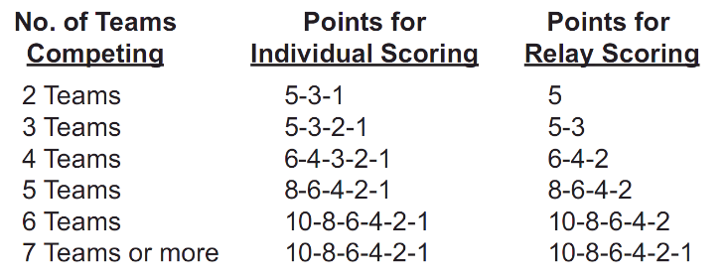
Scoring/Points (Individual Events) |  |  | IHSAA & National Federation Points System
1st | 5
2nd | 3
3rd | 2
4th | 1
5th
6th

Scoring/Points (Relay Events)
1st | 5
2nd | 3
3rd
4th
5th
6th

